Cut
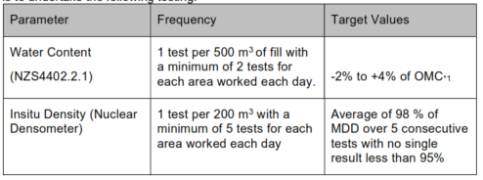
SECTION 4 – IN-PROCESS INSPECTIONS Insert additional or delete unused rows as required. Include reference to Project Spec.
Item No. | Activity/ Task Description | Specification Clause | Inspection Point: Quality Control Activity | Acceptance Criteria | Verifying Document | Frequency | Inspection Type (Visual, other) | Inspection |  | Inspection Point/ Signature & Date
 |  |  |  |  |  |  |  | Key | By (Role Key) | Downer Signature | Date | Customer Requirements Verification Record / Location/ Hold Points
Cut
4.1 | Topsoil Depth Checks | Project Spec Cl.15.3.4 | Nominal depth checks at 100m intervals longitudinally and 50m interval transverse | Photos with tape measure to show depth of topsoil layer. Date and location to be recorded | Site Photos, Record Sheet | 100m intervals longitudinally and 50m intervals transverse to earthworks | Witness | W | SE
4.2 | Hazardous & Classified Soils | Project Spec Cl.15.3.3 & 15.3.5 | Hazardous waste and contamined soils encountered during the excavation process | Contractor to advise the engineer if type R2, U or H materials are unexpectedly encountered | Visual, Site Photos | Continuous | Witness | W | SE
4.3 | Final Cut Observation Monitoring | Project Spec Cl.15.6.6 | Continuous visual assessments conducted with Stantec Representative. Contractor to address design change if instructed | Agreement with Engineer's Rep | As Required by Stantec Representative QC-01 Earthworks Checksheet | As requested by engineer | Hold | H | ER
4.4 | Cut Batter Tolerances | Project Spec Cl.15.6.7 | Post-construction - Excavation of batters complying with design issued and within tolerance | Slope Tolerance 1H:1V or Flatter: +300 / -300 mm Steeper than 1H:1V: +300 / -600mm | As-Built and DN-QUA-QC-01 Earthworks Checksheet | Continuous | Witness | W | SE/SV
4.5 | Site Fill Material - Segregation of Material Type | Project Spec Cl.15.6.8 | Moisture sensitive material stockpiled | Drainage blanket (polythene cover) if any material is stored on site to avoid saturation | Visual, Site Photos | Continuous | Witness | W | SE

 | Cut-face tolrence |  |  | Engineered Fill |  |  | Insitu Testing

